Sheet1
 |  | Document No. | Issue No. | Issue Date |  |  | Review and Replace Date |  | Authorised By
 |  | GFF236MC | 4 | 06.11.2020 |  |  | 14.09.2022 |  | Magda Shah
 |  | Document Title | 4 Onion Bhajis 160g

Document amendments reason for change |  | number of pieces reduced to 4 and weight reduced to 160g |  | Page 1 of 1 |  | Previous Issue Date |  | 23.12.2021 | Uncontrolled copy unless signed original

COBHC3-R6T | GAZEBO |  | 4 Onion Bhajis 160g | CHILLED
STEP 1 |  |  |  |  | STEP 2
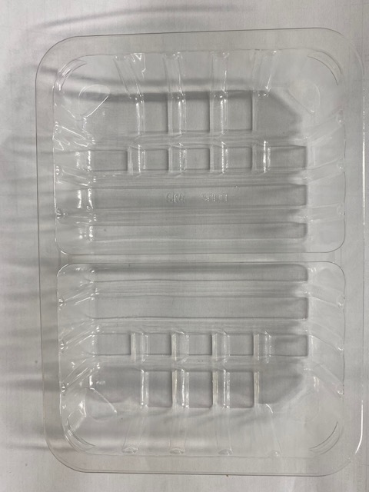 |  |  |  |  | 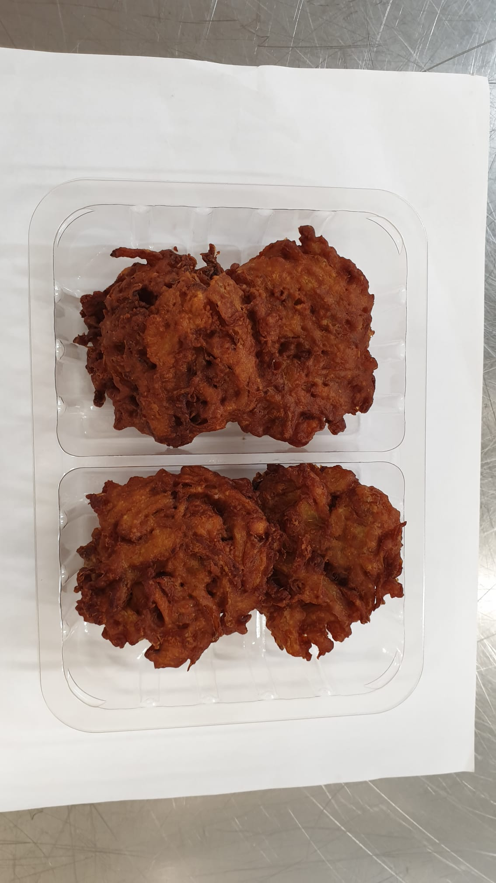

GAS PACK

Tray: SK4 Split Clear (PKESS001-06) |  |  |  |  | 4 x Onion Bhaji (GFF121R) 40g
Film: ME300AFV2, 300mmx 1000m (PKPRO001-16) |  |  |  |  | Total Weight: 160g
ALLERGY ALERT: NONE

